Sheet1
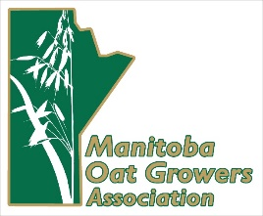
Producer form to report and pay unpaid checkoff/Levy ($0.50 per tonne)

Name under which the oats were sold (business or personal Name):

Address under which the oats were sold (please include full address including town and province) :

Province Oats were Grown In: |  |  | ___________________

We realize there are some producer-to-producer oat sales or sales to companies that did not collect the check-off/levy on your behalf. The oat growers greatly appreciate your support and would be grateful if you could fill out the attached form and mail it with your cheque for the check-off/levy not paid. If you have questions please e-mail info@poga.ca.

Date sold | Tonnes Sold | Check-off amount ($.50 per tonne) | Total
4-Jan-20 | 100 | $0.50 | $50.00 | Example
 |  | $0.50
 |  | $0.50
 |  | $0.50
 |  | $0.50
 |  | $0.50
 |  | $0.50
Total to Pay |  |  | $-

Please make cheques payable to the commission from the province the oats were grown in:

The Alberta Oat Commission (AOGC)
SaskOats
The Manitoba Oat Growers Assoication (MOGA)

All the commissions have the same mailing address:
PO Box 20106
Regina, SK S4P 4J7

Thank you for your support!

